KKO
KAJIAN KELAYAKAN OPERASI

DAYA LAMA |  |  |  | DAYA BARU
Nama Pelanggan | : | RUDY GUNAWAN |  | Nama Pelanggan | : | RUDY GUNAWAN
Daya Lama (VA) | : | 164000 |  | Daya Baru (VA) | : | 197000
Jumlah Fasa | : | 3 | * | Jumlah Fasa | : | 3
Tegangan Sekunder Pengukuran rata-rata (Fasa-Netral) (V) | : | 380 | * | Tegangan Sekunder Pengukuran rata-rata (Fasa-Netral) (V) | : | 380 | DC MGN01-67 MGN06-73
Beban Pelanggan (A) | : | 249.17 |  | Beban Pelanggan (A) | : | 299.31

SUPLAI TRAFO EKSISTING |  |  |  | SUPLAI TRAFO RENCANA
Nomor Tiang | : | MGN 06 - 296 |  | Nomor Tiang | : | MGN 06 - 296
Penyulang | : | MGN 06 |  | Penyulang | : | MGN 06
Daya | : | 160 | * | Daya | : | 250
Jumlah Fasa | : | 3 | * | Jumlah Fasa | : | 3
Beban TRAFO (Pengukuran Lapangan) |  | 54 |  | Beban TRAFO | : | 299.31
Beban Primer | : | 4.62 | * | Beban Primer | : | 7.22
Beban Sekunder | : | 243.09 | * | Beban Sekunder | : | 379.84
Beban (A) | : | #VALUE! |  | Beban (A) | : | #VALUE!
Prosentase Pembebanan | : | 22% |  | Beban (A) | : | 79%
 | 79% | 100%
Prosentase Pembebanan | : | 100% |  | Beban (A) | : | 100%

DATA





DATA
Tahun | : | 2022
Discount Rate | : | 12%
Transfer price TM | : | 1,084 |  | Marginal COST maret 2022
Umur ekonomis (tahun) | : | 25.00
Selisih Susut Teknis | : | 2.25%
∑ Daya | : | 33
BP (Rp) | : | 30,921,000
RAB (Rp) | : | 132,369,309
Biaya O&M (2% invest) | : | 2,647,386.18

Nama Pelanggan | : | RUDY GUNAWAN | *
Golongan Pelanggan | : | B2 | *
Jenis Layanan | : | REGULER | *
Daya Lama (kVA) | : | 164 | *
Daya Baru (kVA) | : | 197 | *
Tarif WBP (Rp/kWh) | : | 1,444.70 | *
Tarif LWBP (Rp/kWh) | : | 1,444.70 | *
BP (Rp/VA) TR | : | 937 | *
Jam Nyala | : | 40 | *

RAB
 |  | PT. PLN ( PERSERO )
 |  | UNIT INDUK DISTRIBUSI JAWA TENGAH & DI YOGYAKARTA |  |  |  |  |  |  |  |  |  | RAB TOTAL
 |  | UP3 DEMAK |  |  |  |  |  |  |  |  | RAB TOTAL | RAB NON MDU
 | RENCANA ANGGARAN BIAYA (RAB)

 |  |  |  | Pekerjaan | : | RUDI GUNAWAN
 |  |  |  | Lokasi | : | JL. SEMARANG-PURWODADI DK. KENONGO BRAMBANG MRANGGEN
 |  |  |  | Pelaksana | : | PT. PLN (PERSERO) UP3 DEMAK
 |  |  |  | Anggaran | : | SAR 2023

Note !! 1. Saat Pengisian Uraian di mohon memasukan nama material sesuai dengan nama material di harga satuan
2. Mohon di cek kembali saat pengisian volume material
3. Untuk program Sarana Penunjang Fungsi tidak perlu SLO.
 | NO | URAIAN | GOL | SAT | VOL | HARGA SATUAN | BIAYA YANG DIPERLUKAN ( Rp )
 |  |  |  |  |  |  | MDU | HARDWARE | JASA | JUMLAH

#REF! | A | PEMASANGAN TIANG |  |  |  | 0 | 0 | 0 | 0 | 0
#REF! |  |  |  |  |  | 0 | 0 | 0 | 0 | 0
#REF! |  |  |  |  |  | 0 | 0 | 0 | 0 | 0
#REF! |  |  |  |  |  | 0 | 0 | 0 | 0 | 0
#REF! | B | PEKERJAAN PEMASANGAN KONSTRUKSI TM |  |  |  | 0 | 0 | 0 | 0 | 0
 |  |  |  |  |  | 0 | 0 | 0 | 0 | 0
#REF! | + | Trafo 3 Fasa 200 KVA 2 Tiang (G313) |  | Unit | 1 | 0 | 0 | 0 | 0 | 0
#REF! | 1 | Trafo 3 phasa 250 kVA Dyn5 | MDU-KD | Bh | 1 | 63,057,400 | 63,057,400 | 0 | 0 | 63,057,400
#REF! | 2 | Jumper Wire : |  |  |  | 0 | 0 | 0 | 0 | 0
1 |  | AAAC 70 mm² | MDU-KD | Mtr | 9 | 14,200 | 127,800 | 0 | 0 | 127,800
1 |  | NFA2X-T 3x70+1x70 | MDU-KD | Mtr | 3 | 54,500 | 163,500 | 0 | 0 | 163,500
1 | 3 | Lightning Arester (Polymer) 21 KV, 10 KA | ATB | Bh | 3 | 725,900 | 0 | 0 | 0 | 0
#REF! | 4 | FCO Polymer | ATB | Bh | 3 | 848,250 | 0 | 0 | 0 | 0
#REF! | 5 | Fuse Link 6 A | ATB | Bh | 3 | 18,000 | 0 | 0 | 0 | 0
1 | 6 | Sepatu Kabel CU/CU OD 2 Hole 70 | HDW | Bh | 16 | 53,500 | 0 | 856,000 | 0 | 856,000
1 | 7 | Bolt Machine / Bolt cariage ½" x ¾" | ATB | Bh | 28 | 7,938 | 0 | 0 | 0 | 0
1 | 8 | Bracket band segment,vertikal plat ( Hot dip galvanis ) | ATB | Bh | 2 | 404,600 | 0 | 0 | 0 | 0
#REF! | 9 | Compresion Conector H type 70 mm² / 70 mm² | HDW | Bh | 3 | 15,900 | 0 | 47,700 | 0 | 47,700
 | 10 | Cross Arm Steel 2.000 mm ( UNSP 10 ) galvanis | ATB | Bh | 5 | 380,500 | 0 | 0 | 0 | 0
#REF! | 11 | Cross Arm Steel 3.000 mm ( UNSP 10 ) galvanis | ATB | Bh | 4 | 559,200 | 0 | 0 | 0 | 0
#REF! | 12 | Hot Line Clamp ( 150mm² s/d 240 mm² ) | ATB | Bh | 3 | 173,400 | 0 | 0 | 0 | 0
#REF! | 13 | Pole Band Single Rack 7" atau 7 ½" | ATB | Bh | 2 | 57,690 | 0 | 0 | 0 | 0
#REF! | 14 | Pole Band Single Rack 8" atau 8 ½" | ATB | Bh | 2 | 60,300 | 0 | 0 | 0 | 0
#REF! | 15 | Steel L 70 x 70 x 7 x 780 mm galvanis | ATB | Bh | 4 | 129,000 | 0 | 0 | 0 | 0
#REF! | 16 | Upah Pasang Trafo 3 Fasa 250 KVA 2 Tiang | JASA | Unit | 1 | 4,127,900 | 0 | 0 | 4,127,900 | 4,127,900
 |  |  |  |  |  | 0
#REF! | C | PEKERJAAN PEMASANGAN KONDUKTOR |  |  |  | 0 | 0 | 0 | 0 | 0
#REF! |  |  |  |  |  | 0 | 0 | 0 | 0 | 0
#REF! | + | Kabel NYY 1 x 150 mm² | MDU-KD | Unit | 48 | 218,600 | 10,492,800 | 0 | 0 | 10,492,800
#REF! | + | Sepatu Kabel CU/CU OD 2 Hole 150 | HDW | Unit | 8 | 110,900 | 0 | 887,200 | 0 | 887,200
#REF! | + | Klem beugel bevesteging 8 x 6" | HDW | Unit | 4 | 38,800 | 0 | 155,200 | 0 | 155,200
#REF! | + | Pipa PVC 6" panjang 4 meter | HDW | Unit | 1 | 680,475 | 0 | 680,475 | 0 | 680,475
#REF! | + | Knee Pipe 3" | HDW | Unit | 2 | 8,784 | 0 | 17,568 | 0 | 17,568
#REF! | + | Pole Band Double Rack 9" atau 12" | HDW | Unit | 4 | 53,000 | 0 | 212,000 | 0 | 212,000
#REF! | + | Spiral Pralon 3" | HDW | Unit | 2 | 67,344 | 0 | 134,688 | 0 | 134,688
#REF! |  |  |  |  |  | 0 | 0 | 0 | 0 | 0
v |  |  |  |  |  | 0 | 0 | 0 | 0 | 0
 | D | PEKERJAAN PEMASANGAN APP |  |  |  | 0 | 0 | 0 | 0 | 0
v |  |  |  |  |  | 0 | 0 | 0 | 0 | 0
#REF! | + | Daya 197.000 VA |  | Unit | 1 | 0 | 0 | 0 | 0 | 0
v | 1 | KWH Elektronik; 3P; 4W; 220/380V; 5(10); kls 1 (Pengukuran Tidak Langsung) | MDU-KD | Bh | 1 | 1,504,200 | 1,504,200 | 0 | 0 | 1,504,200
#REF! | 2 | Smart Box Tidak Langsung Daya 197 kVA MCCB 300 A | MDU-KD | Unit | 1 | 15,727,300 | 15,727,300 | 0 | 0 | 15,727,300
 | 3 | Modem 3G/4G | HDW | Unit | 1 | 1,113,900 | 0 | 1,113,900 | 0 | 1,113,900
#REF! | 4 | Kabel NYY 4 x 95 mm² | HDW | Mtr | 35 | 417,044 | 0 | 14,596,542 | 0 | 14,596,542
#REF! | 5 | Upah Pasang SR + APP 3 Fasa | JASA | Unit | 1 | 106,400 | 0 | 0 | 106,400 | 106,400
v |  |  |  |  |  | 0 | 0 | 0 | 0 | 0
#REF! |  |  |  |  |  | 0 | 0 | 0 | 0 | 0
 |  |  |  |  |  | 0 | 0 | 0 | 0 | 0
#REF! | E | PEMBONGKARAN |  |  |  | 0 | 0 | 0 | 0 | 0
v | 1 | Upah Bongkar SR + APP 3 Fasa | JASA | Unit | 1 | 63,840 | 0 | 0 | 63,840 | 63,840
#REF! | 2 | Upah Bongkar Trafo 3 Fasa 160 KVA 2 Tiang | JASA | Unit | 1 | 2,270,640 | 0 | 0 | 2,270,640 | 2,270,640
 |  |  |  |  |  | 0 | 0 | 0 | 0 | 0
 |  |  |  |  |  | 0 | 0 | 0 | 0 | 0
 |  | SLO |  |  |  | 0 | 0 | 0 | 0 | 0
 | 1 | Sertifikasi Laik Operasi | JASA | Lot | 1 | 2.5% |  |  | 2,908,576 | 2,908,576
 |  |  |  |  |  |  | 0 | 0 | 0 | 0

 |  | Jumlah MDU - Hardware - Jasa |  |  |  | : | 91,073,000 | 18,701,273 | 9,477,356 | 119,251,630
 |  | PPN 11% |  |  |  | : | 10,018,030 | 2,057,140 | 1,042,509 | 13,117,679
 |  | Jumlah Total |  |  |  | : | 101,091,030 | 20,758,413 | 10,519,866 | 132,369,309
 | Terbilang : Seratus Tiga Puluh Dua Juta Tiga Ratus Enam Puluh Sembilan Ribu Tiga Ratus Sembilan Rupiah

 | Harga yang dipakai adalah RAB HSS 2023

 |  |  |  |  |  |  |  | Tegowanu, Oktober 2023
 |  |  |  |  |  |  |  | MANAGER ULP TEGOWANU

 |  |  |  |  |  |  |  | HARY PRATAMA

GAMBAR
 |  |  |  |  | PT. PLN (PERSERO) UP3 DEMAK
Hasil Ukur Trafo 3 Ph 50 KVA ( X ) di SYG5-206A/4
 | X0 | X1 | X2 | X3 | Keterangan Gambar :
SIANG |  |  |  |  | No | Nama Material |  |  | Baru |  | Eksisting
s
s
MALAM |  |  |  |  | 1 | Tiang Beton
 |  |  |  |  | 2 | Tiang Besi
B2-6/J/7
1C9-200
1CJ6-T
1MJ6-T
1CM2-11
1CM2-12A
1CE1-2
1F1-2
 |  |  |  |  | 3 | JTM 3 Fasa
 |  |  |  |  | 4 | JTM 1 Fasa
 |  |  |  |  | 5 | JTR 1 Fasa Only / UB
 |  |  |  |  | 6 | JTR 3 Fasa Only / UB
 |  |  |  |  | 7 | Trafo 1 Fasa
 |  |  |  |  | 8 | Trafo 3 Fasa
 |  |  |  |  | 9 | Fuse Cut Out
 |  |  |  |  | 10 | ABSW
 |  |  |  |  | 11 | Vang Net
B2-6/J/7
1C9-200
1CJ6-T
1MJ6-T
1CM2-11
1CM2-12A
1CE1-2
1F1-2
 |  |  |  |  | 12 | Schoor
 |  |  |  |  | 13

 |  |  |  |  | Bongkar Pasang Konstruksi :
 |  |  |  |  | Pasang |  |  |  | Bongkar
 |  |  |  |  | CG-313 250 KVA |  | U | 1
 |  |  |  |  | SJ6 |  | U | 0 | CG-312A 160 KVA |  | U | 1
A
 |  |  |  |  | APP 197KVA |  | U | 1 | APP 164 KVA |  | U | 1
 |  |  |  |  | CM2-11M |  | U | 1 | LVTC 3X70+NX50 |  | MTR | 25
37 m
37 m
 |  |  |  |  | LVTC 3X70+70 |  | MTR | 0 | CJ6-T |  | U | 0
 |  |  |  |  | C14-350E |  | BTG | 0
 |  |  |  |  | CC7 |  | U | 0
 |  |  |  |  | CC8-AN |  | U | 0
APP 3 PH 53 KVA PASKA
LVTC 3X70+N70 mm2 = 60M
 |  |  |  |  | CM5-5 |  | U | 0
A
A
 |  |  |  |  | CM2-12 |  | U | 0
APP
APP
 |  |  |  |  | CM2-12A |  | U | 0
 |  |  |  |  | CE1-2 |  | U | 0
 |  |  |  |  | F1-3 |  | U | 0
s
s
 |  |  |  |  | CM8-A1 |  | U | 0
2 CJ6-T
2 CJ6-T
50M
 |  |  |  |  | NYY 1X150 mm2 |  | MTR | 48
s
s
 |  |  |  |  | CCO 70-70 |  | BH | 0
100KVA
 |  |  |  |  | CCO 240-70 |  | BH | 0
 |  |  |  |  | CCO 150-70 |  | BH | 0
 |  |  |  |  | AAAC 70 mm2 |  | MTR | 0
50KVA
 |  |  |  |  | SEPATU KABEL CU-CU 70 mm2 |  | BH | 16
 |  |  |  |  | Keterangan Tambahan : -7.045587,110.585438
MGN03-185A
1 CG 313-160 KVA
1 APP TR 3 PH 164 KVA
1 CG 313-A 250 KVA
1 APP TR 3 PH 197 KVA
48 NYY 1X150 mm2
2 PIPA PVC 6"
2 KNEE PIPA 6"
2 SPIRAL PRALON 6"
4 POLEBAND DR 10.5
4 KABEL BEVESTEGGING 6" 8 SEPATU KABEL CU-CU 150 mm2
1 PAPAN PERINGATAN
1 PENGHALANG PANJAT
 |  |  |  |  | Golongan
 |  |  |  |  | No. Gambar |  | 1 |  |  | Lembar |  | dr
 |  |  |  |  | Gambar dari |  |  |  |  | Skala
 |  |  |  |  | Perihal:
 |  |  |  |  | RUDI GUNAWAN
 |  |  |  |  | JL. SEMARANG-PURWODADI DK. KENONGO BRAMBANG MRANGGEN

 |  |  |  |  | Digambar |  | Staf Teknik
 |  |  |  |  | Diperiksa |  | TL. Teknik
 |  |  |  |  | Diketahui |  | Manager ULP
 |  |  |  |  | Disetujui |  | Man. Perencanaan

LVTC 3X70+NX50 mm2
AAAC 70 mm2

APP 3 PH 53 KVA PASKA
LVTC 3X70+N70 mm2 = 150M

DC MGN01-67 MGN06-73B
2 C14-35OE
1 CG 313A 160 KVA
3 CM2-11M
1 CC8AN
1 CC7
1 CM2-12
1 CM2-12A
3 SJ6
1 CE1-2
1 F1-3
1 CM8-A1
90 NYY 1X70 mm2

PETA
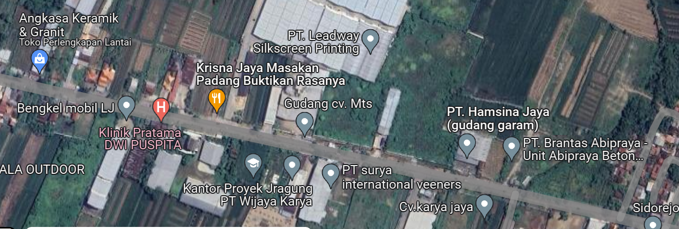
PETA LOKASI PELANGGAN

KOORDINAT LOKASI : -7.045587,110.585438

SLD
SINGLE LINE DIAGRAM LOKASI PELANGGAN

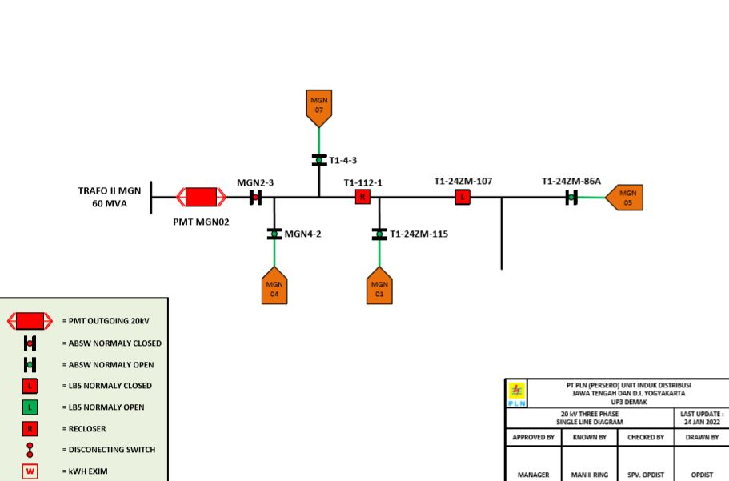

Lokasi Perumahan
PUTRA WAHID

